Use_Case
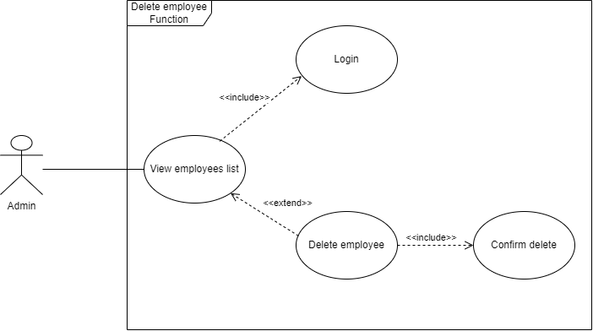
6.11.1.1. Quản lý nhân viên – Xem danh sách nhân viên

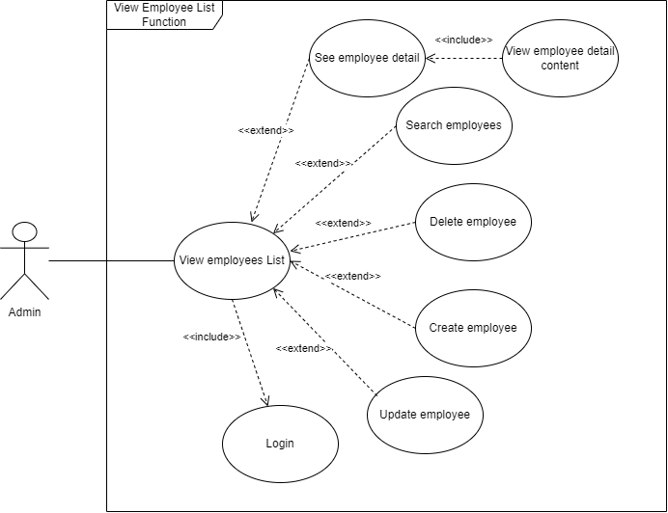

6.11.1.4. Quản lý nhân viên – Xóa nhân viên

Class_Diagram
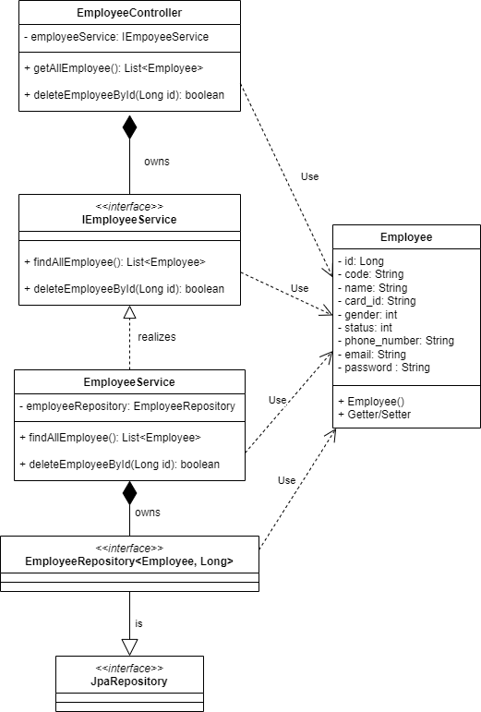
6.11.1.1. Quản lý nhân viên – Xem danh sách nhân viên
6.11.1.4. Quản lý nhân viên – Xóa nhân viên

Sequence_Diagram
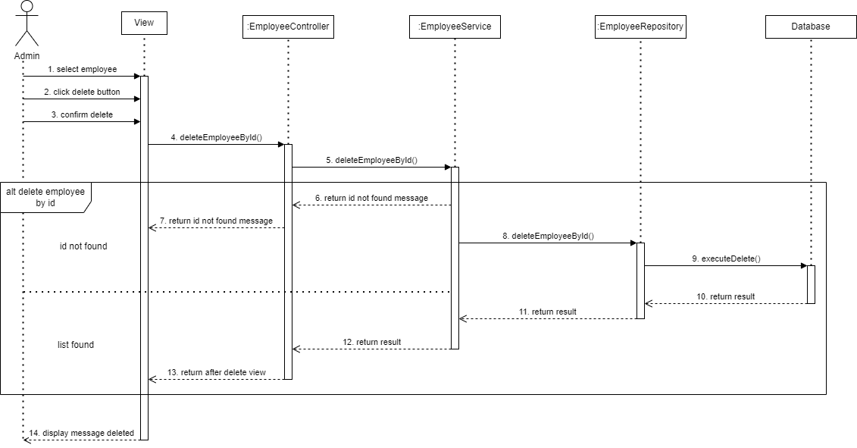
6.11.1.1. Quản lý nhân viên – Xem danh sách nhân viên

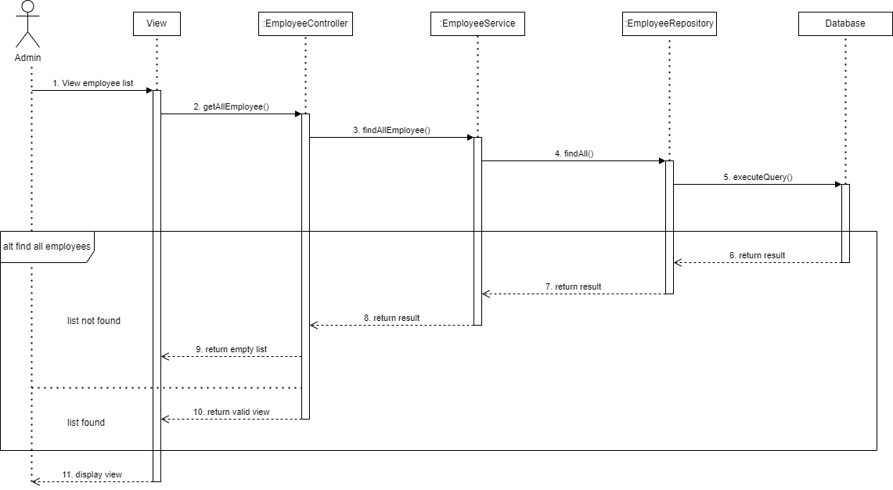

6.11.1.4. Quản lý nhân viên – Xóa nhân viên

